Bug report
Bug reports for QA Battle

ID | Title | Description | Steps to reproduce | Reproducibility | Severity | Priority | Reason | Exp.Result | Actual Result | Attachments
B1 | App window don't adjust when device is rotated on 180 grad | GALAXY NEXUS API 28, Android 11.0 | 1. Set autorotation in device 2. Open the app 3. Add New League and New Game 4. Rotate device on 180 grad | Always | Medium | Normal | Missing feature | App window is adjusted to device orientation | App window stays upside-down | 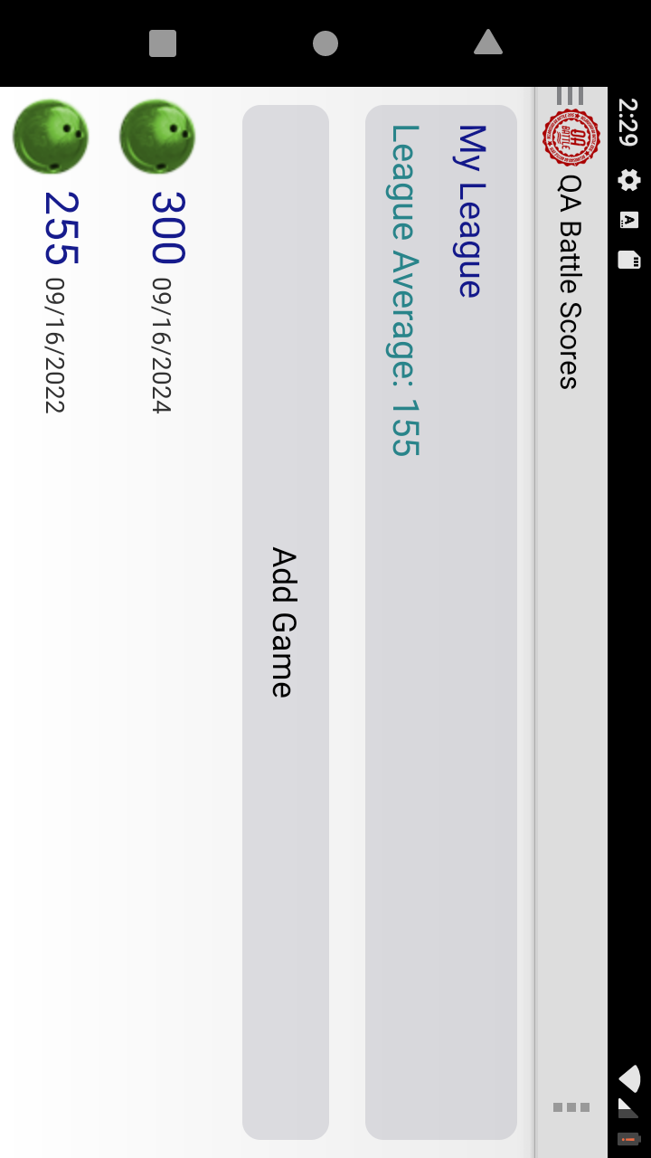
B2 | Pressing on Logo button opens sidebar | GALAXY NEXUS API 28, Android 11.0 | 1. Open APP 2. Press Logo in action bar | Always | Medium | Normal | Area for button "Open sidebar is greater than this button | Pressing on Logo don't make any changes | Pressing on Logo button opens sidebar | 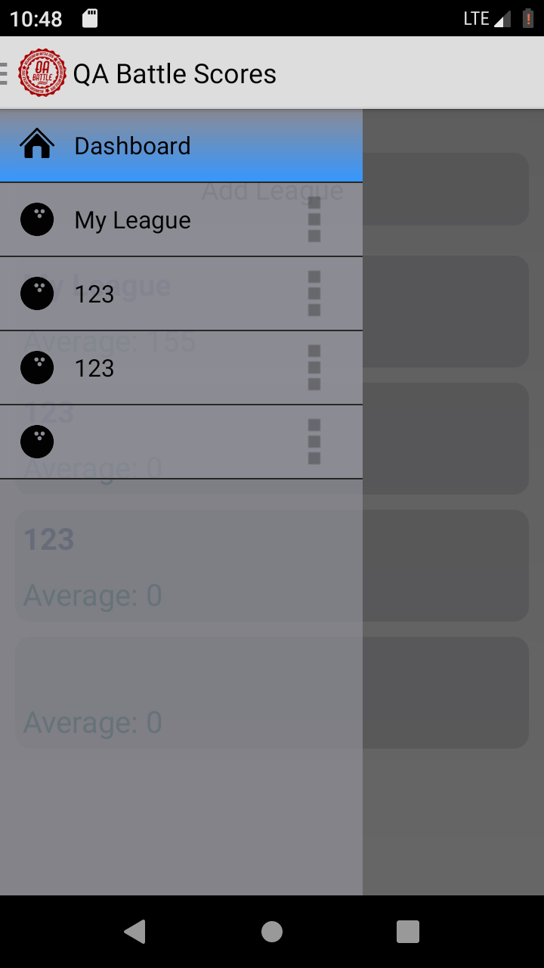
B3 | There are modal dialogue windows in APP | GALAXY NEXUS API 28, Android 11.0 | 1. Open APP 2. Press button "Add New League" 3. Try to press any button outside this window | Always | Major | High | Missing feature | When dialog window is opened user can press on settings button | When dialog window is opened user can do nothing untill he finishes dialogue
B4 | App allows to add game results in future | GALAXY NEXUS API 28, Android 11.0 | 1. Open APP 2. Select League 3. Add New Game with total score 250 points at year 2024 | Always | Major | High | Additional feature | Selection of the date more than current date is impossible | User can enter game results for the year 2024 | 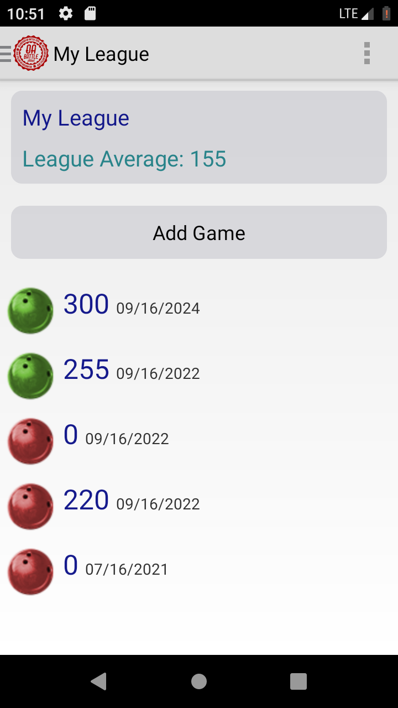
B5 | New game with total score = BoarderNormalGame is reglected as red ball (case not specified in requirments) | GALAXY NEXUS API 28, Android 11.0 | 1. Open APP 2. Set BoarderNormalGame = 220 3. Select League 4. Add New Game with total score 220 | Always | Major | High | Documentation issue (TBD, not reflected in requirements) | The game with total score = BoarderNormalGame is indicated with yellow ball | The game with total score = BoarderNormalGame is indicated with red ball
B6 | Upon delete of League it stays in main screen | GALAXY NEXUS API 28, Android 11.1 | 1. Open APP 2. Select sidebar 3. Delete League from sidebar 4. Look at main screen | Always | Medium | Normal | Missing feature | Deletion of League in sidebar causes the update of main screen | Deleted League stays in main menu untill it wil be updated manually
B7 | User can create Leagues with the same Names | GALAXY NEXUS API 28, Android 11.2 | 1. Open APP 2. Add League with Name "123" 3. Add League with Name "123" | Always | Medium | Normal | Additional feature | Leagues have unique Names | Two Leagues with Name "123" are created | 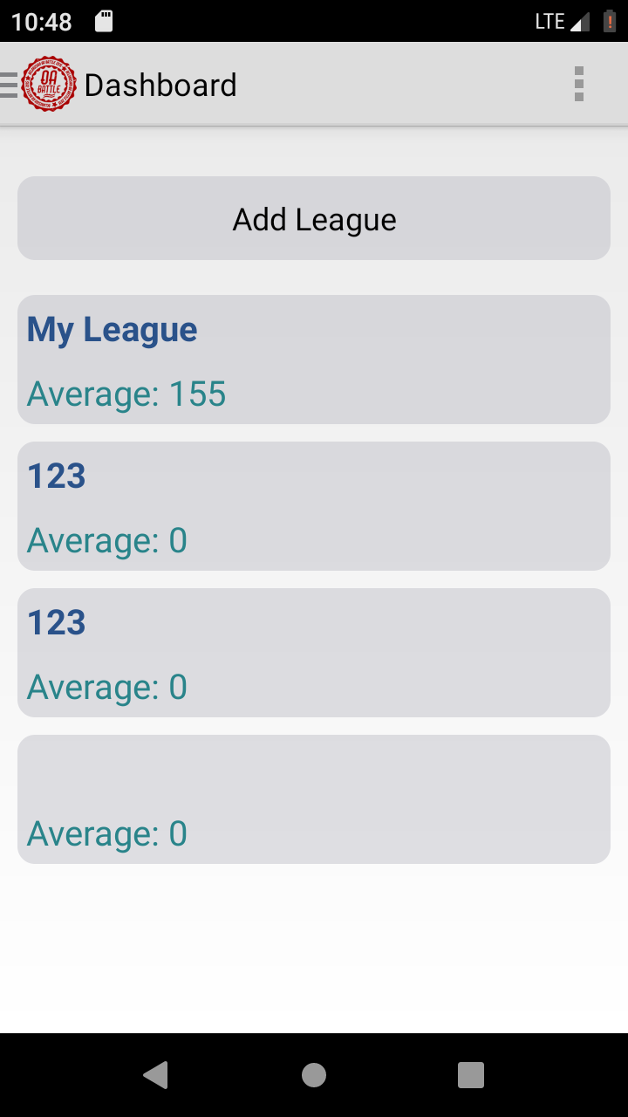
B8 | Value of BoarderGoodGame can be set lower than BoarderNormalGame value | GALAXY NEXUS API 28, Android 11.0 | 1. Open settings in Action bar 2. Set BoarderGoodGame value 220 3. Set BoarderNormalGame value 250 | Always | Major | High | Additional feature | Value of BoarderGoodGame can be lower than BoarderNormalGame value | Color game indicators exceeding 200 turning green
B9 | Values of BoarderGoodGame and BoarderNormalGame can exceed 300 | GALAXY NEXUS API 28, Android 11.0 | 1. Open settings in Action bar 2. Set BoarderGoodGame value 301 3. Set BoarderNormalGame value 301 | Always | Major | High | Additional feature | Value of BoarderGoodGame and BoarderNormalGame shouldn't exceed 300 as for game results | Value of BoarderGoodGame and BoarderNormalGame can be set greater than 300. Game result indicators are turning red
B10 | Setting BoarderNormalGame causes turning APP in pending regime | GALAXY NEXUS API 28, Android 11.0 | 1. Open settings in Action bar 2. Set BoarderNormalGame value 12315678911 | Always | Medium | Normal | Additional feature | Value of BoarderGoodGame and BoarderNormalGame shouldn't exceed 300 as for game results | Setting BoarderNormalGame value greater than 10 digits causes turning APP in pending regime

